CMLF_15th Jan
Capitalmind Mutual Fund
SCHEME NAME : | Capitalmind Liquid Fund (An open-ended Liquid scheme. A relatively low-interest rate risk and relatively low credit risk fund)
INCEPTION DATE : | November 28, 2025
FORTNIGHTLY PORTFOLIO STATEMENT AS ON : | January 15, 2026

Name of the Instrument / Issuer | ISIN | Rating | Quantity | Market value (Rs. in Lakhs) | % to NAV | YTM% | YTC%*
Debt Instruments
(a) Listed / awaiting listing on Stock Exchange
Government Bonds
6.90% Government of India (04/02/2026) | IN0020089069 | Sovereign | 306,700 | 306.85 | 2.94% | 5.53%
8.88% State Government Securities (24/02/2026) | IN3420150150 | Sovereign | 70,000 | 70.23 | 0.67% | 5.44%
7.95% Government of India (18/02/2026) | IN0020079037 | Sovereign | 45,000 | 45.08 | 0.43% | 5.64%
Sub Total |  |  |  | 422.16 | 4.04%
Corporate Bonds
7.9237% Bajaj Housing Finance Limited (16/03/2026) ** | INE377Y07375 | CRISIL AAA | 30 | 300.45 | 2.88% | 6.56%
7.6% REC Limited (27/02/2026) ** | INE020B08EF4 | CRISIL AAA | 270 | 270.21 | 2.59% | 6.47%
Bajaj Finance Limited (18/02/2026) (ZCB) ** | INE296A07RY7 | CRISIL AAA | 20 | 255.01 | 2.44% | 6.75%
7.11% Small Industries Dev Bank of India (27/02/2026) ** | INE556F08KB4 | ICRA AAA | 25 | 250.14 | 2.39% | 6.42%
8.65% Muthoot Finance Limited (23/03/2026) ** | INE414G07HW8 | ICRA AA+ | 210 | 210.33 | 2.01% | 7.25%
9.3% Shriram Finance Limited (18/03/2026) ** | INE721A07JX3 | CRISIL AA+ | 20 | 200.60 | 1.92% | 6.94%
Sub Total |  |  |  | 1,486.74 | 14.23%
(b) Privately placed / Unlisted |  |  |  | NIL | NIL
Sub Total |  |  |  | NIL | NIL
Total |  |  |  | 1,908.90 | 18.27%

Money Market Instruments
Treasury Bill
182 Days Tbill (MD 26/03/2026) | IN002025Y263 | Sovereign | 1,000,000 | 990.27 | 9.48% | 5.20%
364 Days Tbill (MD 26/03/2026) | IN002024Z503 | Sovereign | 970,000 | 960.56 | 9.20% | 5.20%
Sub Total |  |  |  | 1,950.83 | 18.68%
Certificate of Deposit
HDFC Bank Limited (12/02/2026) ** | INE040A16HV7 | CRISIL A1+ | 200 | 995.41 | 9.53% | 6.23%
Kotak Mahindra Bank Limited (18/02/2026) ** | INE237A165Z5 | CRISIL A1+ | 200 | 994.41 | 9.52% | 6.22%
Axis Bank Limited (18/02/2026) ** | INE238AD6BM0 | CRISIL A1+ | 200 | 994.37 | 9.52% | 6.27%
Bank of Baroda (23/02/2026) ** | INE028A16JO3 | FITCH A1+ | 100 | 496.78 | 4.76% | 6.23%
Export Import Bank of India (04/03/2026) ** | INE514E16CJ9 | CRISIL A1+ | 60 | 297.60 | 2.85% | 6.25%
Punjab National Bank (03/02/2026) ** | INE160A16TC8 | CRISIL A1+ | 50 | 249.24 | 2.39% | 6.16%
National Bank For Agriculture and Rural Development (04/02/2026) ** | INE261F16926 | CRISIL A1+ | 50 | 249.19 | 2.39% | 6.23%
Indian Bank (17/02/2026) ** | INE562A16PW1 | CRISIL A1+ | 50 | 248.64 | 2.38% | 6.26%
Sub Total |  |  |  | 4,525.64 | 43.34%
Commercial Paper
ICICI Securities Limited (18/03/2026) ** | INE763G14D94 | CRISIL A1+ | 200 | 989.03 | 9.47% | 6.64%
NTPC Limited (10/03/2026) ** | INE733E14BU9 | CRISIL A1+ | 90 | 445.98 | 4.27% | 6.20%
Kotak Securities Limited (12/02/2026) ** | INE028E14TN1 | ICRA A1+ | 50 | 248.81 | 2.38% | 6.45%
Sub Total |  |  |  | 1,683.82 | 16.12%
Total |  |  |  | 8,160.29 | 78.14%

Others
Corporate Debt Market Development Fund
Corporate Debt Market Development Fund | INF0RQ622028 |  | 107 | 12.38 | 0.12%
Sub Total |  |  |  | 12.38 | 0.12%
Total |  |  |  | 12.38 | 0.12%

Reverse Repo / TREPS
Clearing Corporation of India Ltd |  |  |  | 263.00 | 2.52% | 5.48%
Sub Total |  |  |  | 263.00 | 2.52%
(b) Privately placed / Unlisted |  |  |  | NIL | NIL
Sub Total |  |  |  | NIL | NIL
Total |  |  |  | 263.00 | 2.52%
Net Receivables / (Payables) |  |  |  | 100.32 | 0.95%
GRAND TOTAL |  |  |  | 10,444.89 | 100.00%

Notes & Symbols :-
** Thinly Traded Securities/Non Traded Securities/ Illiquid Shares
* YTC represents Yield to Call. It is disclosed for Perpetual Bond issued by Banks (i.e. AT-1 Bond / Tier 1 Bond / Tier 2 Bond), as per AMFI Best Practices Guidelines Circular no. 91/2020-21 dated March 24, 2021 on Valuation of AT-1 Bonds and Tier 2 Bonds.

NAV History:
Option / Plan | NAV Rs. per unit as on January 15, 2026$ | NAV Rs. per unit as on December 31, 2025*
Capitalmind Liquid Fund - Direct Plan - Growth Option | 1009.0788 | 1006.9469
Capitalmind Liquid Fund - Regular Plan - Growth Option | 1008.8079 | 1006.7594
^Inception date of the Scheme is November 28, 2025.
$ Data as on Fortnightly disclosure date i.e. 15th January 2026
* Data as on last Fortnightly disclosure date of the month i.e. 31st December 2025

Lumpsum Investment Performance*
Time Period | Scheme |  | Benchmark Index | Value of Investment of Rs. 10,000/-
 | Capitalmind Liquid Fund (Direct Plan) | Capitalmind Liquid Fund (Regular Plan) | Nifty Liquid Index A-I (TRI) | Capitalmind Liquid Fund (Direct Plan) | Capitalmind Liquid Fund (Regular Plan) | Nifty Liquid Index A-I (TRI)
Last 1 Year | N.A | N.A | N.A | N.A | N.A | N.A
Last 3 Years | N.A | N.A | N.A | N.A | N.A | N.A
Last 5 Years | N.A | N.A | N.A | N.A | N.A | N.A
Last 10 Years | N.A | N.A | N.A | N.A | N.A | N.A
Since Inception^ | N.A | N.A | N.A | N.A | N.A | N.A
* Not applicable as the scheme has not completed 1 year (5.9.1 of Master Circular for Mutual Funds dated 27 June 2024)
^ Inception date of the scheme is 28th Nov 2025. However, 1st Dec 2025 is considered here since the first NAV of the scheme was published on 1st Dec 2025.

Total number of instances of deviation in valuation of securities of the scheme from the valuation price given by the valuation agencies during the period are: Nil
Investment in Repo in Corporate Debt Securities during the month ended January 15, 2026 is Nil.
Debt instruments having structured obligations or credit enhancement features (if any) have been denoted with suffix as (SO) or (CE) respectively against the ratings of the instrument is Nil
Investment in Partly paid Bonds / NCD’s : Nil
Securities below investment grade or in default beyond its maturity date is Nil.
The total market value of investments in foreign securities / American Depositary Receipts / Global Depositary Receipts as on January 15, 2026 is Nil.
...
A-I – A Scheme with Relatively Low-Interest Rate Risk and Relatively Low Credit Risk

Product Labelling:#
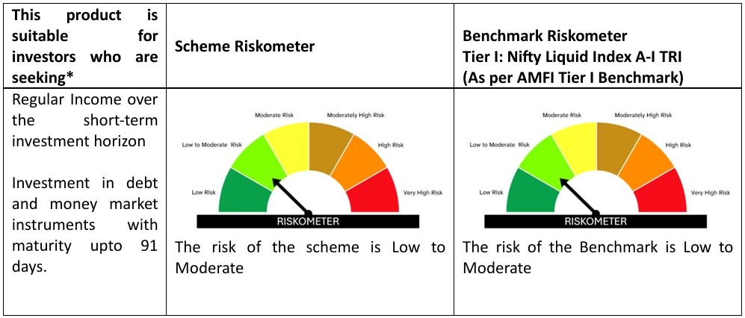

#Please note that the above risk-o-meter is as per the product labelling of the scheme available as on the date of this communication/ disclosure. As Para 17.4 of SEBI Master Circular dated June 24, 2024 on product labelling (as amended from time to time), risk-o-meter will be calculated on a monthly basis based on the risk value of the scheme portfolio based on the methodology specified by SEBI in the above stated circular. The AMC shall disclose the risk-o-meter along with portfolio disclosure for all their schemes on their respective website and on AMFI website within 10 days from the close of each month. Any change in risk-o-meter shall be communicated by way of Notice cum Addendum and by way of an e-mail or SMS to unitholders of that particular scheme.

