CMMAAF_March
Capitalmind Mutual Fund
SCHEME NAME : | Capitalmind Multi Asset Allocation Fund (An open-ended scheme investing in equity and equity related instruments, debt and money market instruments, Commodities including Exchange Traded Commodity Derivatives)
INCEPTION DATE : | March 16, 2026
MONTHLY PORTFOLIO STATEMENT AS ON : | March 31, 2026

Name of the Instrument / Issuer | ISIN | Rating / Industry^ | Quantity | Market value (Rs. in Lakhs) | % to NAV | YTM% | YTC%*
Equity & Equity related
(a) Listed / awaiting listing on Stock Exchanges
Coal India Limited | INE522F01014 | Consumable Fuels | 11,370 | 51.22 | 2.78%
Oil & Natural Gas Corporation Limited | INE213A01029 | Oil | 17,947 | 51.09 | 2.78%
Infosys Limited | INE009A01021 | IT - Software | 3,985 | 49.84 | 2.71%
HCL Technologies Limited | INE860A01027 | IT - Software | 3,708 | 49.75 | 2.70%
Torrent Pharmaceuticals Limited | INE685A01028 | Pharmaceuticals & Biotechnology | 988 | 41.70 | 2.27%
NMDC Limited | INE584A01023 | Minerals & Mining | 54,623 | 41.66 | 2.26%
NTPC Limited | INE733E01010 | Power | 11,225 | 41.61 | 2.26%
Sun Pharmaceutical Industries Limited | INE044A01036 | Pharmaceuticals & Biotechnology | 2,351 | 41.31 | 2.24%
Dr. Reddy's Laboratories Limited | INE089A01031 | Pharmaceuticals & Biotechnology | 3,290 | 41.29 | 2.24%
Zydus Lifesciences Limited | INE010B01027 | Pharmaceuticals & Biotechnology | 4,702 | 40.96 | 2.23%
Power Finance Corporation Limited | INE134E01011 | Finance | 10,648 | 40.41 | 2.20%
Britannia Industries Limited | INE216A01030 | Food Products | 563 | 30.53 | 1.66%
Petronet LNG Limited | INE347G01014 | Gas | 10,968 | 27.25 | 1.48%
Hyundai Motor India Ltd | INE0V6F01027 | Automobiles | 1,199 | 21.32 | 1.16%
Tata Motors Passenger Vehicles Limited | INE155A01022 | Automobiles | 7,100 | 21.03 | 1.14%
Marico Limited | INE196A01026 | Agricultural Food & other Products | 2,630 | 19.36 | 1.05%
Vedanta Limited | INE205A01025 | Diversified Metals | 2,321 | 15.20 | 0.83%
Bajaj Auto Limited | INE917I01010 | Automobiles | 170 | 14.93 | 0.81%
Hero MotoCorp Limited | INE158A01026 | Automobiles | 288 | 14.58 | 0.79%
Indus Towers Limited | INE121J01017 | Telecom - Services | 2,664 | 11.14 | 0.61%
State Bank of India | INE062A01020 | Banks | 1,098 | 10.75 | 0.58%
Union Bank of India | INE692A01016 | Banks | 6,451 | 10.59 | 0.58%
Axis Bank Limited | INE238A01034 | Banks | 566 | 6.57 | 0.36%
Canara Bank | INE476A01022 | Banks | 2,013 | 2.49 | 0.14%
Bank of Baroda | INE028A01039 | Banks | 967 | 2.39 | 0.13%
Sub Total |  |  |  | 698.97 | 37.99%
(b) Unlisted |  |  |  | NIL | NIL
Sub Total |  |  |  | NIL | NIL
Total |  |  |  | 698.97 | 37.99%
Derivatives
FUTCOM_ALUMINI_29/05/2026 |  | Others | 20,000 | 70.63 | 3.84%
FUTCOM_ALUMINI_30/04/2026 |  | Others | 1,000 | 3.51 | 0.19%
FUTCOM_CRUDEOILM_18/06/2026 |  | Others | 280 | 23.69 | 1.29%
FUTCOM_CRUDEOILM_20/07/2026 |  | Others | 140 | 11.60 | 0.63%
Total |  |  |  | 109.43 | 5.95%
Debt Instruments
(a) Listed / awaiting listing on Stock Exchange
7.8% REC Limited (30/05/2026) | INE020B08ES7 | ICRA AAA | 100 | 99.86 | 5.43% | 8.15%
6.59% Summit Digitel Infrastructure Limited (16/06/2026) ** | INE507T07062 | CRISIL AAA | 5 | 49.89 | 2.71% | 7.85%
Sub Total |  |  |  | 149.75 | 8.14%
(b) Privately placed / Unlisted |  |  |  | NIL | NIL
Sub Total |  |  |  | NIL | NIL
Total |  |  |  | 149.75 | 8.14%
Money Market Instruments
Certificate of Deposit
Indian Bank (05/06/2026) ** # | INE562A16PZ4 | CRISIL A1+ | 28 | 138.19 | 7.51% | 7.37%
HDFC Bank Limited (12/06/2026) # | INE040A16HP9 | CRISIL A1+ | 25 | 123.22 | 6.70% | 7.32%
Sub Total |  |  |  | 261.41 | 14.21%
Commercial Paper
Kotak Securities Limited (27/05/2026) ** | INE028E14VE6 | CRISIL A1+ | 10 | 49.37 | 2.68% | 8.38%
Sub Total |  |  |  | 49.37 | 2.68%
Treasury Bill
182 Days Tbill (MD 11/06/2026) | IN002025Y370 | Sovereign | 50,000 | 49.48 | 2.69% | 5.39%
Sub Total |  |  |  | 49.48 | 2.69%
Total |  |  |  | 360.26 | 19.58%
Others
Exchange Traded Funds
Nippon India ETF Gold Bees | INF204KB17I5 |  | 100,440 | 121.72 | 6.61%
Sub Total |  |  |  | 121.72 | 6.61%
Mutual Fund Units
Capitalmind Liquid Fund - Direct-Growth | INF226401034 |  | 9798.304 | 100.12 | 5.44%
Sub Total |  |  |  | 100.12 | 5.44%
Total |  |  |  | 221.84 | 12.05%
Reverse Repo / TREPS
Clearing Corporation of India Ltd |  |  |  | 236.96 | 12.88% | 5.49%
Sub Total |  |  |  | 236.96 | 12.88%
(b) Privately placed / Unlisted |  |  |  | NIL | NIL
Sub Total |  |  |  | NIL | NIL
Total |  |  |  | 236.96 | 12.88%
Net Receivables / (Payables) |  |  |  | 63.09 | 3.41%
GRAND TOTAL |  |  |  | 1840.30 | 100%

Notes & Symbols :-
** Thinly Traded Securities/Non Traded Securities
# Unlisted Security
**# Both Thinly Traded Securities/Non Traded Securities and Unlisted securities
^ -> Industry classification as recommended by AMFI and wherever not available, internal classification has been used.
* YTC represents Yield to Call. It is disclosed for Perpetual Bond issued by Banks (i.e. AT-1 Bond / Tier 1 Bond / Tier 2 Bond), as per AMFI Best Practices Guidelines Circular no. 91/2020-21 dated March 24, 2021 on Valuation of AT-1 Bonds and Tier 2 Bonds.

NAV History:
Option / Plan | NAV Rs. per unit as on February 27, 2026$ | NAV Rs. per unit as on March 31, 2026*
Capitalmind Multi Asset Allocation Fund-Direct-Growth Option | NA | 9.9583
Capitalmind Multi Asset Allocation Fund-Direct-IDCW Option | NA | 9.9583
Capitalmind Multi Asset Allocation Fund-Regular-Growth Option | NA | 9.9518
Capitalmind Multi Asset Allocation Fund-Regular-IDCW Option | NA | 9.9518
Inception date of the Scheme is March 16, 2026.
$ Data as on last Business day of the month i.e. 27th February 2026
* Data as on Monthly disclosure date i.e. 31st March 2026

Lumpsum Investment Performance*
Time Period | Scheme |  | Benchmark Index | Value of Investment of Rs. 10,000/-
 | Capitalmind Flexi Cap Fund (Direct Plan) | Capitalmind Flexi Cap Fund (Regular Plan) | Nifty 500 (TRI) | Capitalmind Flexi Cap Fund (Direct Plan) | Capitalmind Flexi Cap Fund (Regular Plan) | Nifty 500 (TRI)
...
Total number of instances of deviation in valuation of securities of the scheme from the valuation price given by the valuation agencies during the period are: Nil
The total outstanding exposure in derivative instruments as on March 31, 2026 : NIL
The total market value of investments in foreign securities / American Depositary Receipts / Global Depositary Receipts as on March 31, 2026 is Nil.
Market Value includes accrued interest (if any)
Investments in Credit Default Swap (CDS) during the month/as on March 31, 2026: Nil
Total value and percentage of illiquid equity shares: Nil
Funds parked in short term deposit(s) during the period / as on March 31, 2026: Nil
Total below investment grade or default provided for and its percentage to NAV: Nil
Total investments in Foreign Securities / Overseas ETFs as at March 31, 2026 and its percentage to NAV : Nil.

Product Labelling:#
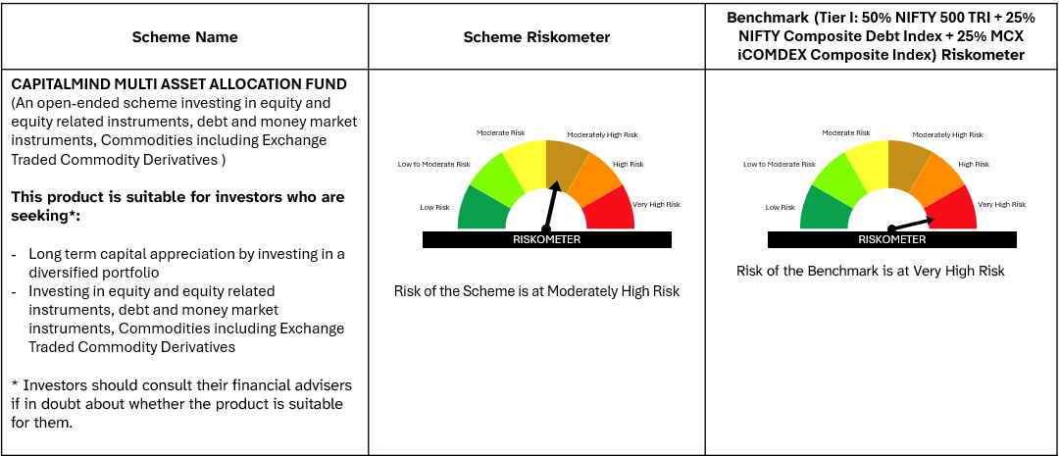

#Please note that the above risk-o-meter is as per the product labelling of the scheme available as on the date of this communication/ disclosure. As Para 17.4 of SEBI Master Circular dated June 24, 2024 on product labelling (as amended from time to time), risk-o-meter will be calculated on a monthly basis based on the risk value of the scheme portfolio based on the methodology specified by SEBI in the above stated circular. The AMC shall disclose the risk-o-meter along with portfolio disclosure for all their schemes on their respective website and on AMFI website within 10 days from the close of each month. Any change in risk-o-meter shall be communicated by way of Notice cum Addendum and by way of an e-mail or SMS to unitholders of that particular scheme.

