Capitalmind Flexi Cap Fund
Product Dashboard
Date | As on November 30, 2025
Name of Scheme | Capitalmind Flexi Cap Fund
Type of the Scheme | An open-ended dynamic equity scheme investing across large cap, mid cap, small cap stocks
Investment Objective | The primary objective of the Scheme is to generate long-term capital appreciation by investing predominantly in equity and equity-related instruments across market capitalizations, i.e., large-cap, mid-cap, and small-cap stocks. However, there can be no assurance or guarantee that the investment objective of the Scheme will be achieved.
Inception Date | 4th August 2025
Benchmark | Nifty 500 TRI
Fund Manager | Mr. Anoop Vijaykumar (Head of Equity) Mr. Prateek Jain (Head of Debt)
Tenure for which the Fund Manager has been managing the Scheme | Mr. Anoop Vijaykumar Since Inception (4th August 2025) Mr. Prateek Jain Since inception (8th August 2025)
Performance | Period | Fund Return | Benchmark | Additional Benchmark | Value of Investment of 10,000
 |  |  |  |  | Fund | Benchmark | Additional Benchmark
 | Regular Plan (Growth)
 | Last 1 year | N.A. | N.A. | N.A. | N.A. | N.A. | N.A.
 | Last 3 years | N.A. | N.A. | N.A. | N.A. | N.A. | N.A.
 | Since Inception | 1.93% | 4.98% | N.A. | 10,192.5000 | 10,498.3157 | N.A.
 | Direct Plan (Growth)
 | Last 1 year | N.A. | N.A. | N.A. | N.A. | N.A. | N.A.
 | Last 3 years | N.A. | N.A. | N.A. | N.A. | N.A. | N.A.
 | Since Inception | 2.83% | 4.98% | N.A. | 10,238.1000 | 10,498.3157 | N.A.

 | Benchmark: Nifty 500 TRI Additional Benchmark: Not applicable. Inception/Allotment date: 4th August 2025
 | Past performance may or may not be sustained in the future. Returns computed on compounded annualised basis based on the NAV. Different Plans i.e. Regular Plan and Direct Plan under the scheme has different expense structure. The “since inception” returns of the scheme are calculated on Rs. 10/- invested at inception.. In case, the start / end date of the concerned period is a non-business date (NBD), the NAV of the previous date is considered for computation of returns.
Portfolio Details for month ending 30th November 2025 |  |  |  |  |  | % of Net Assets
Kindly click here for the latest available portfolio disclosure | Top 10 Holdings
 | Bajaj Finance Limited |  |  |  |  | 3.50%
 | Bharti Airtel Limited |  |  |  |  | 3.19%
 | InterGlobe Aviation Limited |  |  |  |  | 2.76%
 | Indian Bank |  |  |  |  | 2.62%
 | City Union Bank Limited |  |  |  |  | 2.58%
 | Fortis Healthcare Limited |  |  |  |  | 2.56%
 | One 97 Communications Limited |  |  |  |  | 2.52%
 | Narayana Hrudayalaya Limited |  |  |  |  | 2.49%
 | UPL Limited |  |  |  |  | 2.45%
 | The Federal Bank Limited |  |  |  |  | 2.43%
 | Total |  |  |  |  | 27.10%

AuM (Rs. Crs) for month ending 30th November 2025 | Rs. 231.65 Crores

Expense Ratio
- Regular/Existing Plan (%) | 2.37%
- Direct Plan (%) | 0.97%

Scheme Risk-o-meter Capitalmind Flexi Cap Fund | 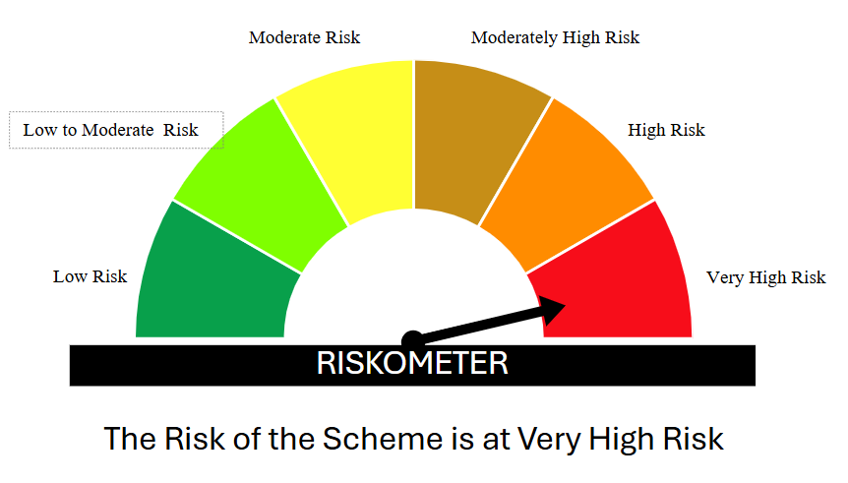
Benchmark Risk-o-meter Nifty 500 TRI | 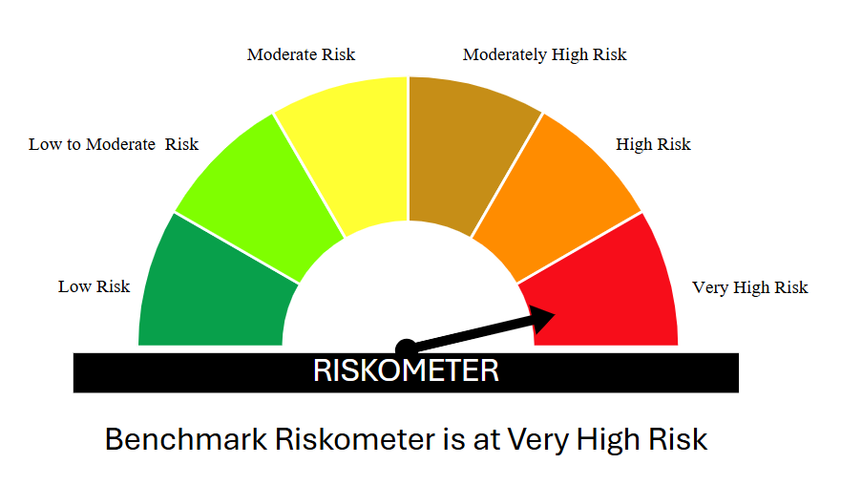

Disclaimer :
Mutual Fund Investments are subject to market risks, read all scheme related documents carefully.

Capitalmind Liquid Fund
Product Dashboard
Date | As on November 30, 2025
Name of Scheme | Capitalmind Liquid Fund
Type of the Scheme | (An open-ended Liquid scheme. A relatively low-interest rate risk and relatively low credit risk fund)
Investment Objective | To generate regular Income over the short-term investment horizon by investment in debt and money market instruments with maturity upto 91 days.The Scheme does not guarantee or assure any returns. There is no assurance that the investment objective of the Scheme will be achieved.
Inception Date | 28th November 2025
Benchmark | Nifty Liquid Index A-I TRI
Fund Manager | Mr. Prateek Jain (Head of Debt) Mr. Anoop Vijaykumar (Head of Equity)
Tenure for which the Fund Manager has been managing the Scheme | Mr. Prateek Jain Since inception (28th November 2025) Mr. Anoop Vijaykumar (1st November 2025)
Performance | Period | Fund Return | Benchmark | Additional Benchmark | Value of Investment of 10,000
 |  |  |  |  | Fund | Benchmark | Additional Benchmark
 | Regular Plan (Growth)
 | Last 7 days | N.A. | N.A. | N.A. | N.A. | N.A. | N.A.
 | Last 15 days | N.A. | N.A. | N.A. | N.A. | N.A. | N.A.
 | Last 30 days | N.A. | N.A. | N.A. | N.A. | N.A. | N.A.
 | Last 1 year | N.A. | N.A. | N.A. | N.A. | N.A. | N.A.
 | Last 3 years | N.A. | N.A. | N.A. | N.A. | N.A. | N.A.
 | Since Inception | N.A. | N.A. | N.A. | N.A. | N.A. | N.A.
 | Direct Plan (Growth)
 | Last 7 days | N.A. | N.A. | N.A. | N.A. | N.A. | N.A.
 | Last 15 days | N.A. | N.A. | N.A. | N.A. | N.A. | N.A.
 | Last 30 days | N.A. | N.A. | N.A. | N.A. | N.A. | N.A.
 | Last 1 year | N.A. | N.A. | N.A. | N.A. | N.A. | N.A.
 | Last 3 years | N.A. | N.A. | N.A. | N.A. | N.A. | N.A.
 | Since Inception | N.A. | N.A. | N.A. | N.A. | N.A. | N.A.

 | Benchmark: Nifty Liquid Index A-I TRI Additional Benchmark: Not applicable. Inception/Allotment date: 28th November 2025
 | Past performance may or may not be sustained in the future. Returns computed on compounded annualised basis based on the NAV. Different Plans i.e. Regular Plan and Direct Plan under the scheme has different expense structure. The “since inception” returns of the scheme are calculated on Rs. 1,000/- invested at inception.. In case, the start / end date of the concerned period is a non-business date (NBD), the NAV of the previous date is considered for computation of returns.
Portfolio Details for month ending 30th November 2025 |  |  |  |  |  | % of Net Assets
Kindly click here for the latest available portfolio disclosure | Top 10 Holdings
 | Bajaj Finance Limited (18/02/2026) (ZCB) ** |  |  |  |  | 6.61%
 | Kotak Securities Limited (12/02/2026) ** |  |  |  |  | 6.60%
 | 7.11% Small Industries Dev Bank of India (27/02/2026) ** |  |  |  |  | 6.05%
 | National Bank For Agriculture and Rural Development (04/02/2026) ** # |  |  |  |  | 6.05%
 | HDFC Bank Limited (12/02/2026) ** # |  |  |  |  | 6.04%
 | Punjab National Bank (03/02/2026) ** # |  |  |  |  | 6.02%
 | Axis Bank Limited (18/02/2026) ** # |  |  |  |  | 5.91%
 | Indian Bank (17/02/2026) ** # |  |  |  |  | 5.88%
 | 6.90% Government of India (04/02/2026) |  |  |  |  | 5.79%
 | 7.95% Government of India (18/02/2026) |  |  |  |  | 5.71%
 | Total |  |  |  |  | 60.64%

AuM (Rs. Crs) for month ending 30th November 2025 | 26.11 Crores

Expense Ratio
- Regular/Existing Plan (%) | 0.29%*
- Direct Plan (%) | 0.09%*

Scheme Risk-o-meter Capitalmind Liquid Find | 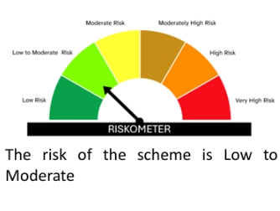
Benchmark Risk-o-meter Nifty Liquid Index A-I TRI | 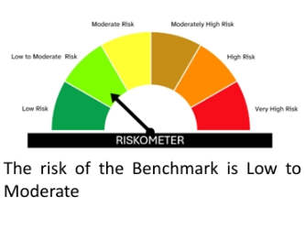

* TER is calculated as of 1 December 2025, since 28 November 2025 was the allotment date for the Capitalmind Liquid Fund.

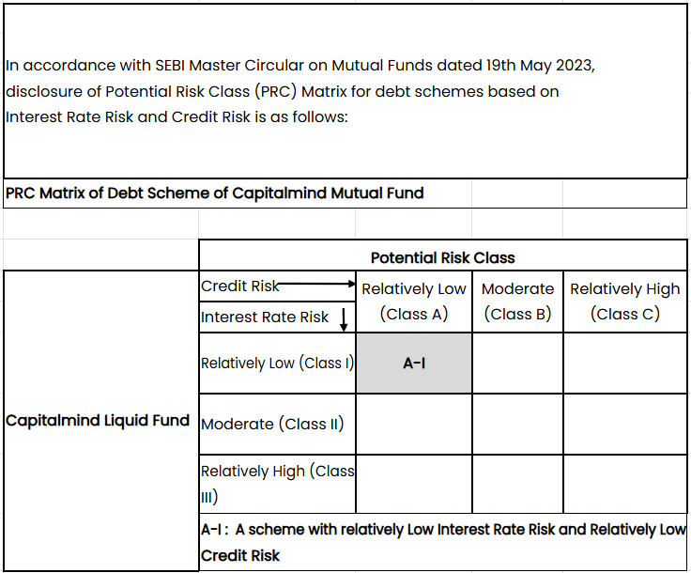

Disclaimer :
Mutual Fund Investments are subject to market risks, read all scheme related documents carefully.

